Metal Slime Path A
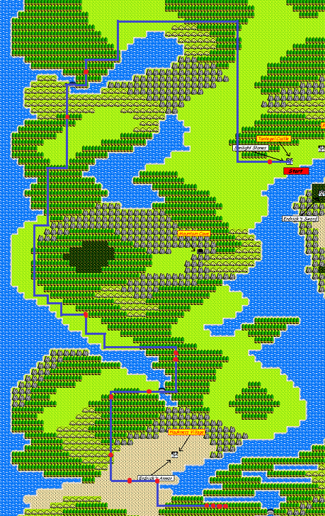
Hesitate on the red dots

For the hill, do a menu buffer
by holding A as you transition
to the hill, and then holding B
when the menu starts to appear
Don't let go of Down during this process

Path A: Throne room guard moves Down, then Up
Woman in Blue moves Left, Down, Down, Down, Down

Metal Slime Path B


Hesitate on the red dots

For the hill, do a menu buffer
by holding A as you transition
to the hill, and then holding B
when the menu starts to appear
Don't let go of Down during this process

On the orange dot, hesitate
until the status window appears
and then start moving again

You can hesitate two more times
afterwards for the Metal Slime to
appear faster

Path B: Throne room guard moves Right, then Up
Woman in Blue moves Up, Down, Left

Metal Slime Path C

Hesitate on the red dots

On the orange dot, hesitate
until the status window appears
and then start moving again

Path C: Throne room guard moves
Up OR Right, then Left
Woman in Blue moves Down, Right, Up, Up

Axe Knight Path A

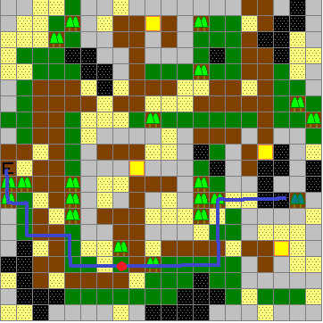

Path A: Throne room guard moves Left, then Left
Woman in blue moves Down, Right, Right, Down

Immediately leave and re-enter Hauksness

Axe Knight - Delay 5.0 seconds, Buffer 15/30
Delay time starts when the status window
fully opens when you stand on the last tile

Axe Knight Path B

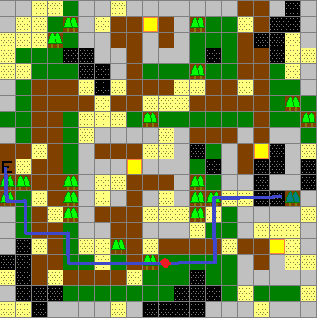

Path B: Throne room guard moves Up, then Down
Woman in blue moves Left, then Down

Immediately leave and re-enter Hauksness

Axe Knight - Delay 20.5 seconds, Buffer 5/28
Delay time starts when the status window
fully opens when you stand on the last tile

Axe Knight Path C

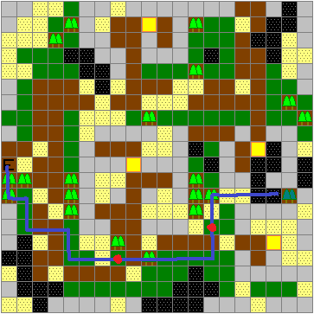

Path C: Throne room guard moves Left, then Up
Woman in blue moves Left, Down, Up, Up

Immediately leave and re-enter Hauksness

Axe Knight - Delay 11.9 seconds, Buffer 34/28
Delay time starts when the status window
fully opens when you stand on the last tile

Charlock Map
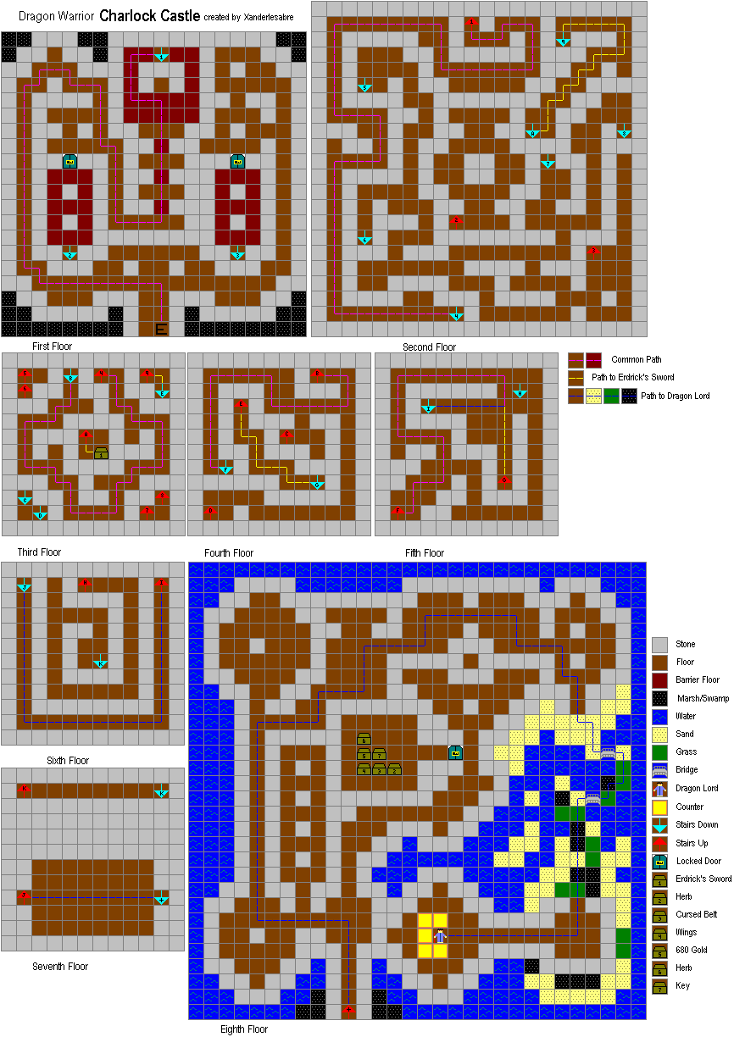

1

Garin Grave Map
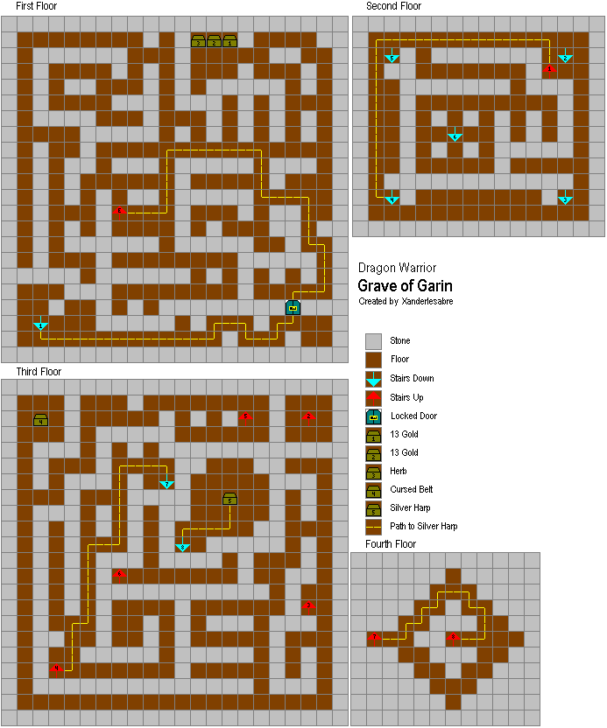

Mountain Cave Map
